Dashboard
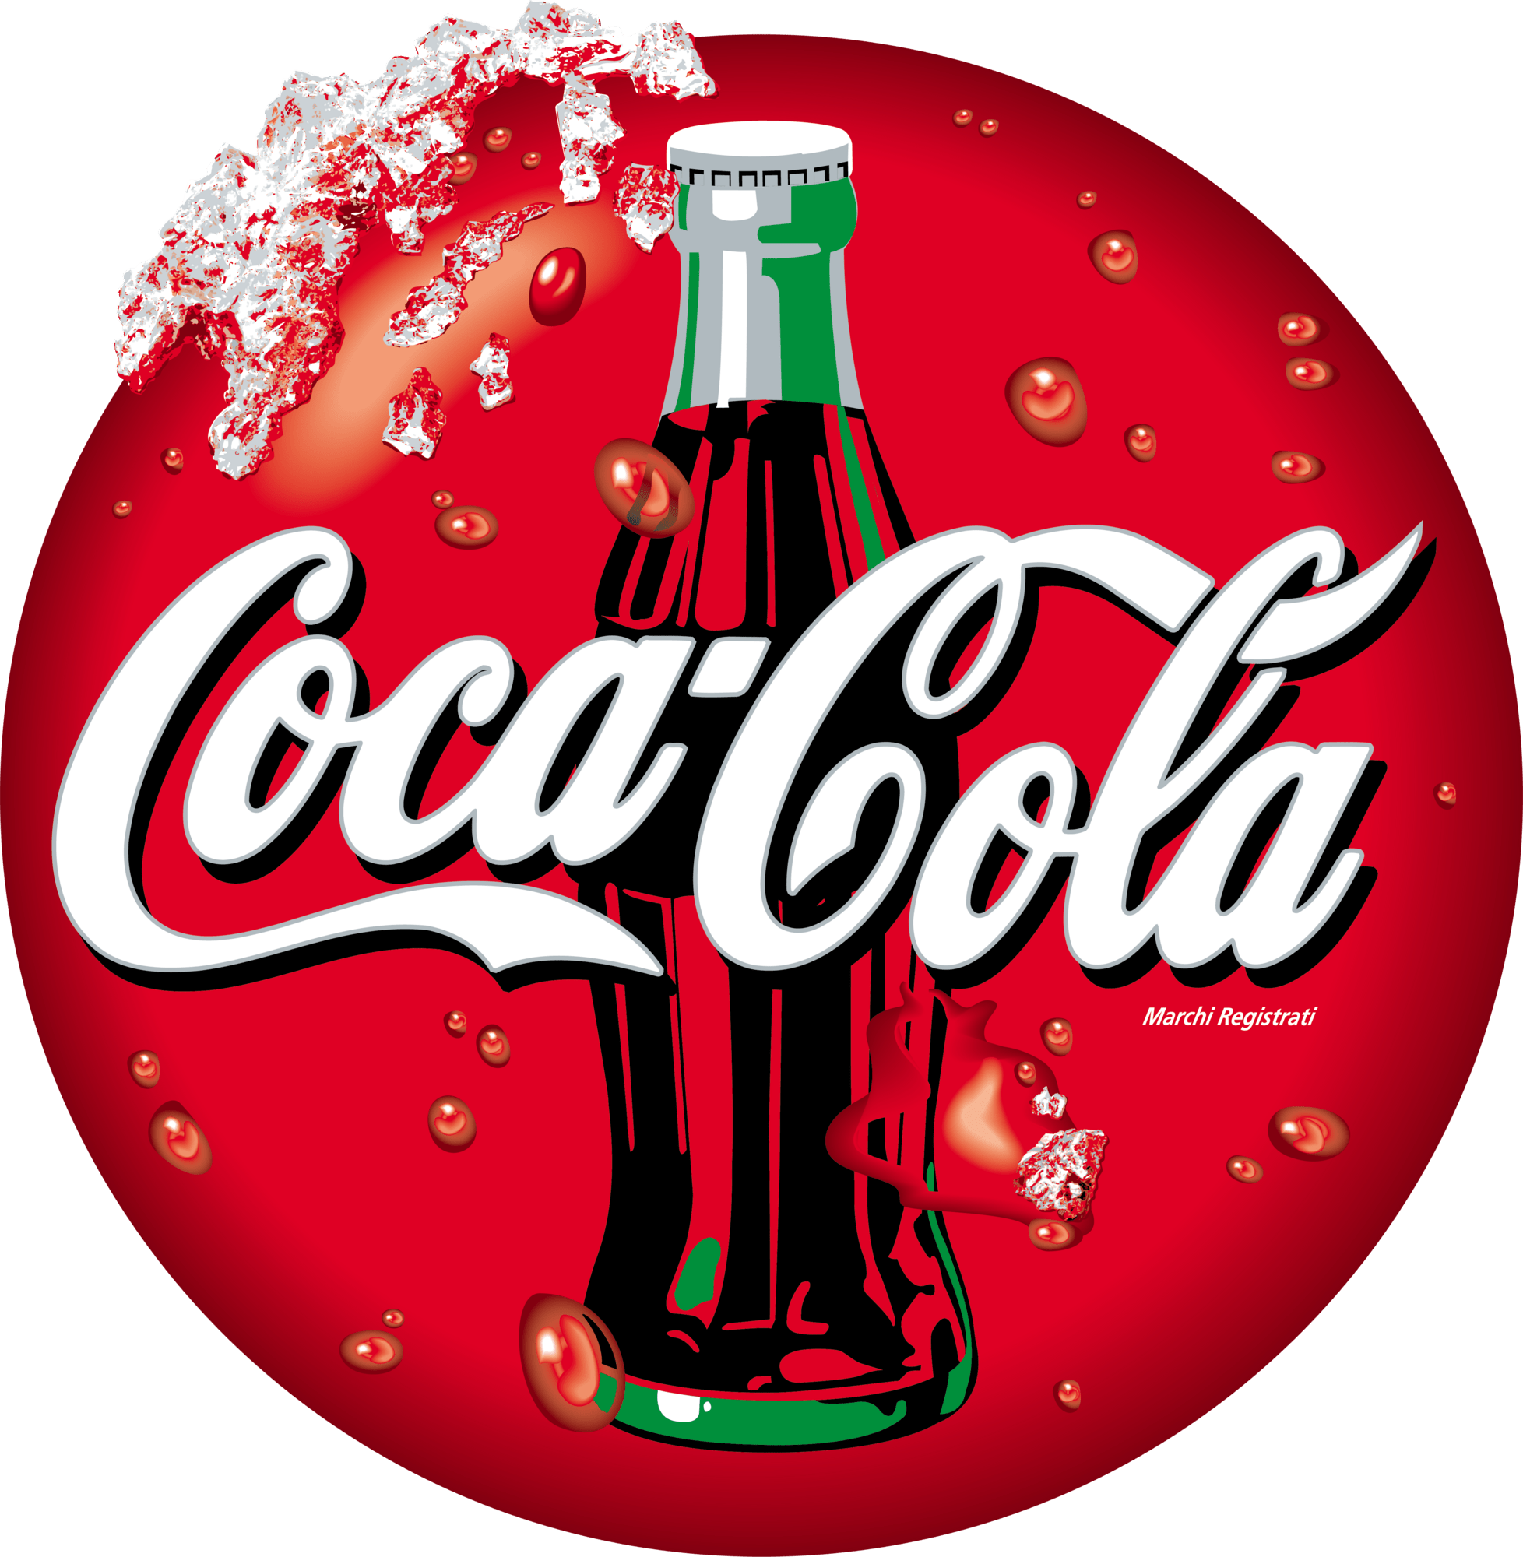
Coca Cola USA Retailer Dashboard
Figures in USD

Total Sales
Unit Sold
Average Price
Total Operating Profit

$12,016,665
24,788,610
$0.45
$4,722,497

Sales by Baverage Brand |  |  |  | Sales by Retailer
Brand | Sales 2022 | Sales 2023 | Variance | Retailer | Sales 2022 | Sales 2023 | Variance
Coca-Cola | 499,102 | 2,268,975 | 1,769,873 | Amazon | 276,210 | 1,009,699 | 1,285,909
Dasani Water | 469,271 | 1,917,828 | 1,448,557 | BevCo | 466,788 | 2,327,607 | 2,794,395
Diet Coke | 423,759 | 1,633,959 | 1,210,201 | FizzyCo | 161,210 | 2,262,827 | 2,424,037
Fanta | 315,489 | 1,116,063 | 800,574 | Target | 9,250 | 1,341,995 | 1,351,245
Powerade | 349,534 | 1,302,529 | 952,995 | Walmart | 339,913 | 580,211 | 920,124
Sprite | 366,578 | 1,353,578 | 987,000 | West Soda | 1,170,362 | 2,070,594 | 3,240,956
Total | 2,423,733 | 9,592,933 | 7,169,200 | Total | 2,423,732 | 9,592,933 | 12,016,665
Sales and Operating Profit Margin by Quarter
 | Sales | Operating Profit Margin
Qtr1 | 692776.1 | 0.40174683544
Qtr2 | 644203.9 | 0.4
Qtr3 | 719170.4 | 0.41026548673
Qtr4 | 367582.1 | 0.40243816254
Qtr1 | 1877584.3 | 0.4165704501
Qtr2 | 2379424.8 | 0.42755819477
Qtr3 | 2805752.5 | 0.43470170455
Qtr4 | 2530170.9 | 0.42483932854

Last update Jan 2024

